Sheet1
Length | 0 | hours | Conversions
 | 46 | minutes | 1 | kilobit = | 125 | bytes
 | 41 | seconds | 1 | kilobyte = | 1024 | bytes
 |  |  | 1 | megabyte = | 1024 | kilobytes
Video |  |  | 1 | gigabyte = | 1024 | megabytes
Data rate | 3000 | kbps
size: | 1001.72 | MB
 | 0.98 | GB |  | Example:
Total bitrate | 3224 | kbps
size: | 1076.51 | MB
 | 1.05 | GB
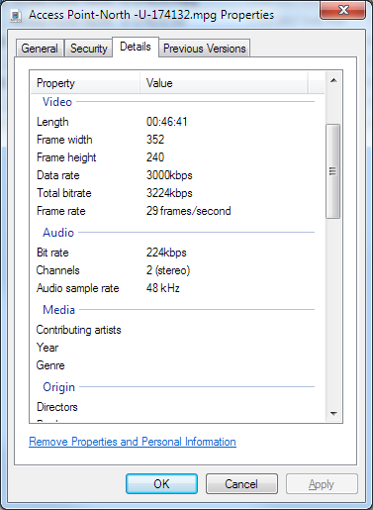
Audio
Bit rate | 224 | kbps
Channels | 2
size: | 149.59 | MB
 | 0.15 | GB

Total file size | 1,178,937 | KB
 | 1,151.31 | MB
 | 1.12 | GB

